Form D.10
 |  |  |  |  | 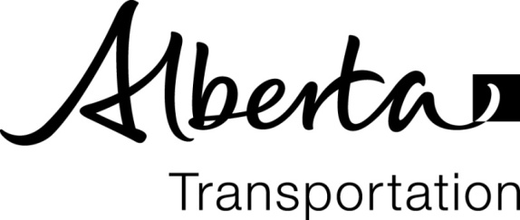
FINAL DETAILS
Summary of Borrow Pits

Region: |  |  |  | WAC/JOB No.:
Project:
Contract No.: |  |  | Contractor:

Enter "27131" to display Station 27+131 |  |  |  |  |  | Waste Topsoil (m3) | Borrow Excavated (m3)
Station |  | Side L/R/C | Distance (m) | Cleared (ha) | Worked (ha)
From | To |  |  |  |  |  |  | Remarks
 |  |  | 0
 |  |  | 0
 |  |  | 0
 |  |  | 0
 |  |  | 0
 |  |  | 0
 |  |  | 0
 |  |  | 0
 |  |  | 0
 |  |  | 0
 |  |  | 0
 |  |  | 0
 |  |  | 0
 |  |  | 0
 |  |  | 0
 |  |  | 0
 |  |  | 0
 |  |  | 0
 |  |  | 0
 |  |  |  | 0.00 | 0.00 | 0.0 | 0.0

Certified Correct by:
 |  | Signature / (name) |  |  |  | (Date)

